Intro and Examples
SME Export Hubs Initiative

Introduction and examples

To be eligible, expenditure must:
§ be incurred by you within the project period
§ be a direct cost of the project
§ be incurred by you to undertake required project audit activities
§ meet the guidelines on eligible expenditure.

If your application is successful, the awarded grant will be up to 50 per cent of eligible project costs. The remaining 50 per cent must be funded by your cash (not in-kind) contribution. Your contribution must be from sources other than the Commonwealth and can include state, territory and local government and industry partners.

Your completed Eligible Budget Template must be uploaded to your Expression of Interest prior to submission.

Example
*Please add a new row for each item of eligible expenditure*

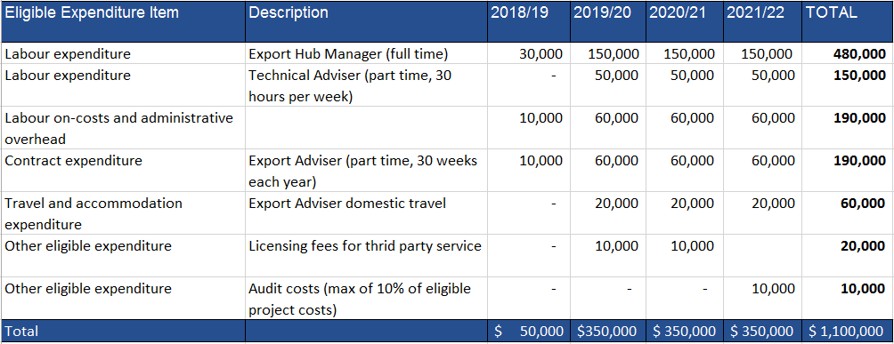

Eligible Expenditure
A summary of eligible expenditure is provided below. For a full description of eligible expenditure please refer to Appendix B of the Grant Opportunity Guidelines. For information on what we consider to be ineligible expenditure, please refer to Appendix C of the Grant Opportunity Guidelines.

Labour Expenditure
Eligible labour expenditure for the grant covers the direct labour costs of employees you directly employ on the core elements of the project. We consider a person an employee when you pay them a regular salary or wage, out of which you make regular tax instalment deductions. We consider costs for technical, but not administrative, project management activities eligible labour expenditure. However, we limit these costs to 10 per cent of the total amount of eligible labour expenditure claimed. We do not consider labour expenditure for general leadership or administrative staff (such as CEOs, CFOs, accountants and lawyers) as eligible expenditure, even if they are doing project management tasks. The salary costs of the relevant SME Export Hub Manager counts as eligible expenditure for the purposes of this grant opportunity. Eligible salary expenditure includes an employee’s total remuneration package as stated on their Pay As You Go (PAYG) Annual Payment Summary submitted to the Australian Taxation Office (ATO). We consider salary sacrificed superannuation contributions as part of an employee’s salary package if the amount is more than what the Superannuation Guarantee requires. The maximum salary for an employee, director or shareholder, including packaged components that you can claim through the grant is $175,000 per financial year. For periods of the project that do not make a full financial year, you must reduce the maximum salary amount you claim proportionally. You can only claim eligible salary costs when an employee is working directly on agreed project activities during the agreed project period.

Labour on-costs and administrative overhead
You may increase eligible salary costs by an additional 30 per cent allowance to cover on-costs such as employer paid superannuation, payroll tax, workers compensation insurance, and overheads such as office rent and the provision of computers. You should calculate eligible salary costs using the formula below:

You cannot calculate labour costs by estimating the employee’s worth. If you have not exchanged money (either by cash or bank transactions) we will not consider the cost eligible. Evidence you will need to provide can include: § details of all personnel working on the project, including name, title, function, time spent on the project and salary § ATO payment summaries, pay slips and employment contracts.

Contract Expenditure
Eligible contract expenditure is the cost of any agreed project activities that you contract others to do. Eligible contract expenditure is the cost of any agreed project activities that you contract others to do. These can include contracting: § another organisation § an individual who is not an employee, but engaged under a separate contract. All contractors must have a written contract prior to starting any project work—for example, a formal agreement, letter or purchase order which specifies: § the nature of the work they perform § the applicable fees, charges and other costs payable. Invoices from contractors must contain: § a detailed description of the nature of the work § the hours and hourly rates involved § any specific plant expenses paid. Invoices must directly relate to the agreed project, and the work must qualify as an eligible expense. The costs must also be reasonable and appropriate for the activities performed. We will require evidence of contractor expenditure that may include: § an exchange of letters (including email) setting out the terms and conditions of the proposed contract work § purchase orders § supply agreements § invoices and payment documents. You must ensure all project contractors keep a record of the costs of their work on the project. We may require you to provide a contractor’s records of their costs of doing project work. If you cannot provide these records, the relevant contract expense may not qualify as eligible expenditure.
Travel and accommodation
Eligible travel expenditure may include:
§ domestic travel limited to the reasonable cost of accommodation and transportation required to conduct agreed project and collaboration activities in Australia
§ international travel for hub facilitators limited to the reasonable cost of accommodation and transportation to conduct agreed project activities overseas and to accompany participating export hub SMEs overseas. Travel for participating SMEs will not be considered as eligible expenditure. All international travel expenses must be approved by the program delegate prior to travel.
Eligible air transportation is limited to the economy class fare for each sector travelled; where non‑-economy class air transport is used only the equivalent of an economy fare for that sector is eligible expenditure. Where non-economy class air transport is used, the grantee will require evidence showing what an economy air fare costs at the time of travel.
Travel or accommodation costs cannot exceed 10 per cent of total project costs except where otherwise approved by the program delegate.
**Please include a total estimate for both travel and accommodation across each financial year**

Other eligible expenditure
Other eligible expenditures for the project may include:
§ financial auditing of project expenditure up to a maximum of 1 per cent of total eligible project expenditure
§ contingency costs up to a maximum of 10 per cent of the eligible project costs. Note that we make payments based on actual costs incurred.
§ licensing fees to deliver third party services and tools to improve firms competitiveness and export capability
§ cost of research activities directly related to the following eligible activities:
§ identifying emerging needs of export markets to inform and facilitate commercially focussed industry-research collaboration to address those needs.
§ providing market intelligence about export opportunities and facilitation of opportunities for participating SMEs to access global supply chains.
Other specific expenditures may be eligible as determined by the program delegate.
Evidence you need to supply can include supplier contracts, purchase orders, invoices and supplier confirmation of payments.

