Intro and Examples
Methane Emissions Reduction in Livestock (MERIL)

Introduction and examples

To be eligible, expenditure must:
§ be incurred by you within the project period
§ be a direct cost of the project
§ be incurred by you to undertake required project audit activities
§ meet the guidelines on eligible expenditure.

If your application is successful, the awarded grant will be up to 100 per cent of eligible project costs. The remaining proportion of eligible projects costs we consider your contribution. You can fund your contribution from any source, including State, Territory and local government grants. Your contribution must be cash. The project budget includes the total of the requested grant and your contributions.

Your completed Budget Template must be uploaded to your application prior to submission.

Example
*Please add a new row for each item of eligible expenditure*

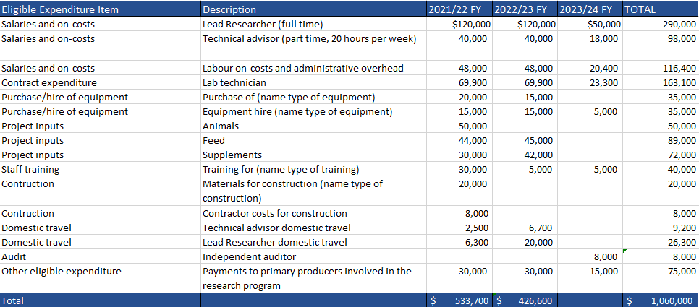

Eligible expenditure
A summary of eligible expenditure is provided below. For a full description of eligible expenditure please refer to Appendix B of the Grant Opportunity Guidelines. For information on what we consider to be ineligible expenditure, please refer to Appendix C of the Grant Opportunity Guidelines.

You can only spend grant funds on eligible expenditure you have incurred on an agreed project as defined in your grant agreement. Eligible expenditure items are: - salaries and on-costs for personnel directly employed for the project activities - staff training that directly supports the achievement of project outcomes -contract expenditure, i.e. the cost of any agreed project activities that you contract to others - purchase or hire of equipment directly related to delivering your project, including computing equipment and software - project input expenses, including animals, feed and supplements - staff training that directly supports the achievement of project outcomes - construction costs for creating trial sites, including purchasing materials, fencing, planning, construction and maintenance - domestic travel limited to the reasonable cost of accommodation and transportation required to conduct agreed project and collaboration activities in Australia - the cost of an independent audit of project expenditure up to a maximum of 1 per cent of total eligible project expenditure.
If your application is successful, we may ask you to verify project costs that you provided in your application. You may need to provide evidence such as quotes for major costs. Not all expenditure on your project may be eligible for grant funding. The Program Delegate (who is an AusIndustry manager within the department with responsibility for the program) makes the final decision on what is eligible expenditure and may give additional guidance on eligible expenditure if required. To be eligible, expenditure must: - be a direct cost of the project - be incurred by you for required project audit activities. You must incur the project expenditure between the project start and end date for it to be eligible unless stated otherwise. You must not commence your project until you execute a grant agreement with the Commonwealth.

