Budget Worksheet
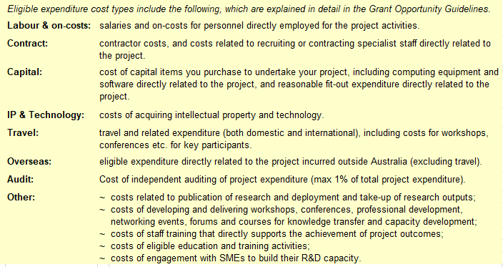
CRC Project application - grant, contributions and expenditure budget worksheet
Lead Project Partner name
Project title

Grant request
 | 2023/24 | 2024/25 | 2025/26 | 2026/27 | Total
Cash |  |  |  |  | $0
 |  |  |  |  |  | The calculator tables below may be useful in determining the cash value of employee time contributed to the project for each Project Partner. These staff cash values should be combined with any other cash contibutions from the relevant partner.
Project Partner contributions

Grantee/Lead Project Partner: | Lead Project Partner name |  |  |  |  | staff member name | annual salary | % time | on-costs % | $value
Contribution type | 2023/24 | 2024/25 | 2025/26 | 2026/27 | Total | e.g. field technician | $70,000 | 100% | 25% | $87,500
Cash |  |  |  |  | $0 | e.g. lab researcher | $98,000 | 80% | 30% | $101,920
Cash - Staff |  |  |  |  | $0 | e.g. lab technician | $75,000 | 25% | 15% | $21,563
In-kind |  |  |  |  | $0 | e.g. program director | $175,000 | 2% | 30% | $4,550
Total value of contributions | $0 | $0 | $0 | $0 | $0 | year 1 |  |  |  | $215,533

Project Partner 2: | Name of Project Partner 2 |  |  |  |  | staff member name | annual salary | % time | on-costs % | $value
Contribution type | 2023/24 | 2024/25 | 2025/26 | 2026/27 | Total |  |  |  |  | $0
Cash |  |  |  |  | $0 |  |  |  |  | $0
Cash - Staff |  |  |  |  | $0 |  |  |  |  | $0
In-kind |  |  |  |  | $0 |  |  |  |  | $0
Total value of contributions | $0 | $0 | $0 | $0 | $0 |  |  |  |  | $0

Project Partner 3: | Name of Project Partner 3 |  |  |  |  | staff member name | annual salary | % time | on-costs % | $value
Contribution type | 2023/24 | 2024/25 | 2025/26 | 2026/27 | Total |  |  |  |  | $0
Cash |  |  |  |  | $0 |  |  |  |  | $0
Cash - Staff |  |  |  |  | $0 |  |  |  |  | $0
In-kind |  |  |  |  | $0 |  |  |  |  | $0
Total value of contributions | $0 | $0 | $0 | $0 | $0 |  |  |  |  | $0

Project Partner 4: | Name of Project Partner 4 |  |  |  |  | staff member name | annual salary | % time | on-costs % | $value
Contribution type | 2023/24 | 2024/25 | 2025/26 | 2026/27 | Total |  |  |  |  | $0
Cash |  |  |  |  | $0 |  |  |  |  | $0
Cash - Staff |  |  |  |  | $0 |  |  |  |  | $0
In-kind |  |  |  |  | $0 |  |  |  |  | $0
Total value of contributions | $0 | $0 | $0 | $0 | $0 |  |  |  |  | $0

Project Partner 5: | Name of Project Partner 5 |  |  |  |  | staff member name | annual salary | % time | on-costs % | $value
Contribution type | 2023/24 | 2024/25 | 2025/26 | 2026/27 | Total |  |  |  |  | $0
Cash |  |  |  |  | $0 |  |  |  |  | $0
Cash - Staff |  |  |  |  | $0 |  |  |  |  | $0
In-kind |  |  |  |  | $0 |  |  |  |  | $0
Total value of contributions | $0 | $0 | $0 | $0 | $0 |  |  |  |  | $0

Project Partner 6: | Name of Project Partner 6
Contribution type | 2023/24 | 2024/25 | 2025/26 | 2026/27 | Total
Cash |  |  |  |  | $0
Cash - Staff |  |  |  |  | $0
In-kind |  |  |  |  | $0
Total value of contributions | $0 | $0 | $0 | $0 | $0

Project Partner 7: | Name of Project Partner 7
Contribution type | 2023/24 | 2024/25 | 2025/26 | 2026/27 | Total
Cash |  |  |  |  | $0
Cash - Staff |  |  |  |  | $0
In-kind |  |  |  |  | $0
Total value of contributions | $0 | $0 | $0 | $0 | $0

Project Partner 8: | Name of Project Partner 8
Contribution type | 2023/24 | 2024/25 | 2025/26 | 2026/27 | Total
Cash |  |  |  |  | $0
Cash - Staff |  |  |  |  | $0
In-kind |  |  |  |  | $0
Total value of contributions | $0 | $0 | $0 | $0 | $0

Project Partner 9: | Name of Project Partner 9
Contribution type | 2023/24 | 2024/25 | 2025/26 | 2026/27 | Total
Cash |  |  |  |  | $0
Cash - Staff |  |  |  |  | $0
In-kind |  |  |  |  | $0
Total value of contributions | $0 | $0 | $0 | $0 | $0

Project Partner 10: | Name of Project Partner 10
Contribution type | 2023/24 | 2024/25 | 2025/26 | 2026/27 | Total
Cash |  |  |  |  | $0
Cash - Staff |  |  |  |  | $0
In-kind |  |  |  |  | $0
Total value of contributions | $0 | $0 | $0 | $0 | $0

TOTAL CONTRIBUTIONS FROM ALL PROJECT PARTNERS
Contribution type | 2023/24 | 2024/25 | 2025/26 | 2026/27 | Total
Cash | $0 | $0 | $0 | $0 | $0
Cash - Staff | $0 | $0 | $0 | $0 | $0
In-kind | $0 | $0 | $0 | $0 | $0
Total value of contributions from all Project Partners | $0 | $0 | $0 | $0 | $0

Grant funds | $0 | $0 | $0 | $0 | $0
Project Partner cash | $0 | $0 | $0 | $0 | $0
Total cash resources | $0 | $0 | $0 | $0 | $0

Total in-kind contributions | $0 | $0 | $0 | $0 | $0

Total Project value |  |  |  |  | $0

EXPENDITURE (Budget)
Eligible Expenditure | 2023/24 | 2024/25 | 2025/26 | 2026/27 | Total
Labour including on-costs |  |  |  |  | $0
Contractors |  |  |  |  | $0
Consumables |  |  |  |  | $0
IP & Technology |  |  |  |  | $0
Capital |  |  |  |  | $0
Overseas |  |  |  |  | $0
Travel |  |  |  |  | $0
Other Expendtiure |  |  |  |  | $0
Audit costs |  |  |  |  | $0
Total cash expenditure | $0 | $0 | $0 | $0 | $0
 | $0 | $0 | $0 | $0 | $0
 | EQUAL | EQUAL | EQUAL | EQUAL
 | OK | OK | OK | OK | TRUE

NB: The total expenditure in a given financial year may be less ("UNDER"), the same as ("EQUAL") or (except in the first year) more than ("OVER") the total cash income for that same year. However, the total cumulative expenditure to the end of each financial year cannot exceed the total cumulative cash available to the end of that year. The validation cells will display "OK" if there is an equal or underspend, but will display "INSUFFICIENT FUNDS" if expenditure exceeds cash available.

